Charts
Cost Comparison Charts

Total Costs (Corn)
 | Corn
Seed | $-
Fertilizer | $-
Crop Chemicals | $-
Crop Insurance | $-
Crop Miscellaneous | $-
Supplies | $-
Gas/Fuel | $-
Repairs & Maintenance | $-
Custom Hire | $-
Freight & Trucking | $-
Storage | $-
Utilities | $-
Irrigation | $-
Hired Labor | $-
Farm Insurance | $-
Real Estate Taxes | $-
Land Rent | $-
Depreciation (Economic) | $-
Other (variable & fixed) | $-
Income Taxes | $-
Owner Withdrawal | $-
Interest (Oper & Term) | $-
Principal Payment | $-
Total Costs (Soybeans)
 | Soybeans
Seed | $-
Fertilizer | $-
Crop Chemicals | $-
Crop Insurance | $-
Crop Miscellaneous | $-
Supplies | $-
Gas/Fuel | $-
Repairs & Maintenance | $-
Custom Hire | $-
Freight & Trucking | $-
Storage | $-
Utilities | $-
Irrigation | $-
Hired Labor | $-
Farm Insurance | $-
Real Estate Taxes | $-
Land Rent | $-
Depreciation (Economic) | $-
Other (variable & fixed) | $-
Income Taxes | $-
Owner Withdrawal | $-
Interest (Oper & Term) | $-
Principal Payment | $-

Total Costs (Wheat)
 | Wheat
Seed | $-
Fertilizer | $-
Crop Chemicals | $-
Crop Insurance | $-
Crop Miscellaneous | $-
Supplies | $-
Gas/Fuel | $-
Repairs & Maintenance | $-
Custom Hire | $-
Freight & Trucking | $-
Storage | $-
Utilities | $-
Irrigation | $-
Hired Labor | $-
Farm Insurance | $-
Real Estate Taxes | $-
Land Rent | $-
Depreciation (Economic) | $-
Other (variable & fixed) | $-
Income Taxes | $-
Owner Withdrawal | $-
Interest (Oper & Term) | $-
Principal Payment | $-

Comparison of Variable and Fixed Costs
 | Variable | Fixed | Variable & Fixed
Corn | $- | $-
Soybeans | $- | $-
Wheat | $- | $-

Optimization
Optimizing Profitability
 |  | Budget Acres | Acres | Revenue Per Acre | Total Direct & Overhead Cost | Profit Per Acre
 |  |  | (Enter Below)
 | Corn | 0 | 295 | $0.00 | $0.00 | $0.00
 | Soybeans | 0 | 245 | $0.00 | $0.00 | $0.00
 | Wheat | 0 | 98 | $0.00 | $0.00 | $0.00

 |  |  |  | (Enter Below)
 | Minimum Costs to Cover | $0.00 | <= | $350,000.00 | ¬ Total Cost (goal)
 | Minimum corn acres | 295 | >= | 50 | ¬ Minimum corn acres (goal)
 | Minimum soybean acres | 245 | >= | 50 | ¬ Minimum soybean acres (goal)
 | Minimum wheat acres | 98 | >= | 50 | ¬ Minimum wheat acres (goal)
 | Acres | 638 | = | 638 | ¬ Maximum acres allowed

 | Maximized Revenue | $0 | ¬ Use Solver Function

 | Optimization Instructions
 | 1. Enter the acres for consideration in the Optimizer in column D4:D6. The acres already on the Crop Budget (Main) tab have been provided for comparison.

 | 2. Note the revenue per are is provided from the Crop Budget (Main) tab for all crops in column G.
 | 3. Enter the minimum goal of acres for each crop in column E.
 | 4. Enter the total acres to be planted across all crops in column E.
 | 5. Click on the Maximized Profit cell in C15 and run the Solver tool (click on Data on the top toolbar). Solver is pre-programmed, but can be reset using the photo below:

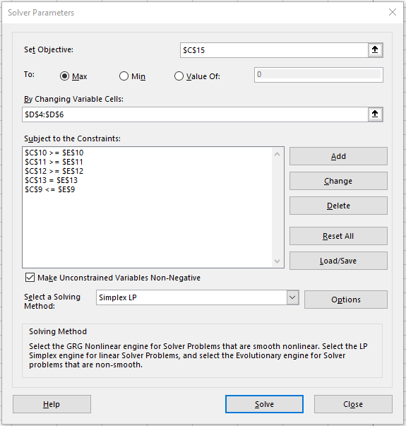

 | 6. After running Solver, the acres will be re-adjusted to maximize the profit of the combined crops (i.e. corn, soybeans, and wheat).

